0
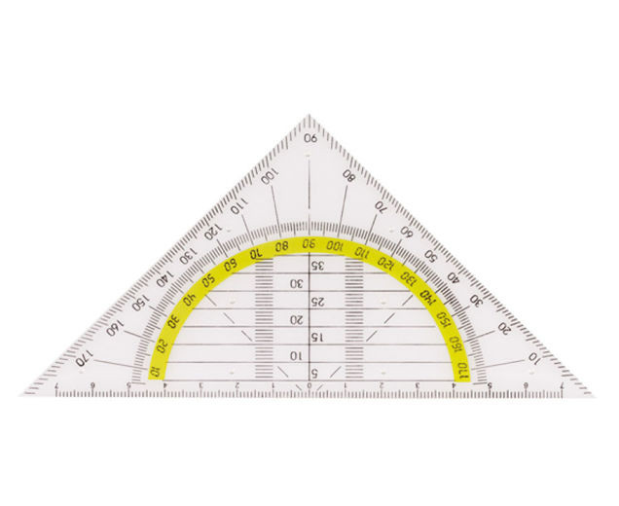

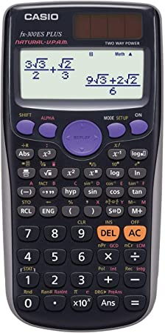
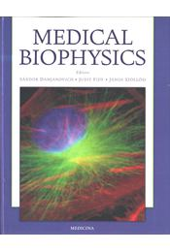
1. International settings: Login, Keyboard, Language
2. Necessary things for biophysics:
 | MS Office 365
 | Natural display calculator (e.g. CASIO) ~ 8000 HUF
 | Geodreieck (ruler+protractor; ~ 500 HUF
 | Lab Manual: Kellermayer-Derka (Editors): Medical Biophysics Practices ~ 8000 HUF
 | Text book: Damjanovich-Fidy-Szöllősy (Editors): Medical Biophysics (Medicina) ~ 14 000 HUF
3. Parts of the keyboard:
 | Alphanumerical characters (typing keys, number keys, punctuation marks, special characters)
 | Function keys
 | Navigation keys
 | Numpad (alternatively: Navigation keys)
4. Parts of an Excel workbook: sheets, columns, rows
5. Structure of the menu: Home, Insert, Data; Formula bar
6. Different forms of the cursor: Select, Move, Copy/Fill, Set width/height, Click icon, Enter content

 | http://www.rferro.com/cis110/resources/excelmousepointershapes.pdf

7. Entering and editing data: Esc, Enter, Shift enter, Tab, Shift tab, Delete, Backspace
8. Quick keys: Arrows (Shift, Ctrl), PgUp, PgDn, Commands (Ctrl), Functions (F)

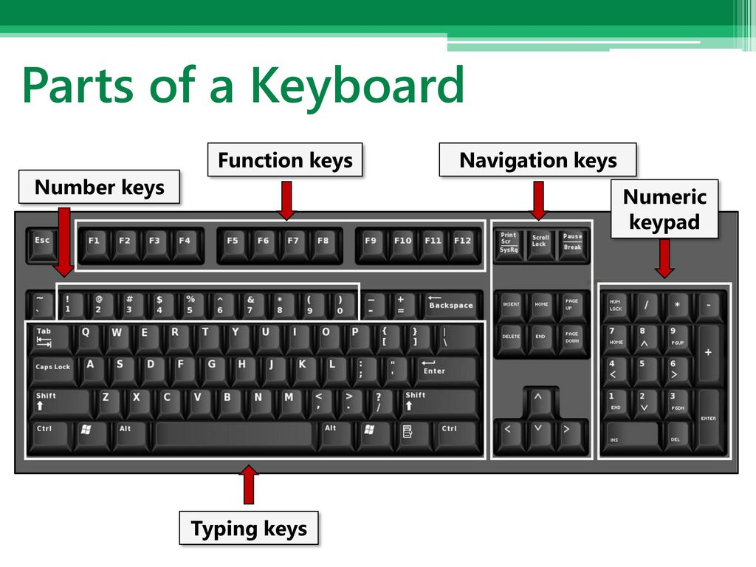
 | PC (HUN) | Mac
 | Ctrl 1 | command 1 | Format selected object
 | Ctrl x | command x | Cut
 | Ctrl c | command c | Copy
 | Ctrl v | command v | Paste
 | Ctrl z | command z | Undo/Backward
 | Ctrl y | command y | Redo/Forward
 | Ctrl mouse scroll |  | Zooming

 | F2 |  | Edit
 | F4 | command t | Absolute refernece ($)
 | F9 |  | Recalculate

 | Shift Alt |  | Switch keyboard outlay
 | Alt Enter | shift alt/option enter | Break row

 | Shift 7 |  | = (equal sign)
 | Shift 1 |  | ' (apostrophe, prime)
 | Shift 9 |  | ( (open bracket)
 | Shift 0 |  | ) (close bracket)
 | Shift - |  | _ (underscore)
 | Alt Gr v |  | @ (at)
 | Alt Gr é |  | $ (dollar sign)
 | Alt Gr 3 |  | ^ (caret, power)

9. Simple operations. Enter or calculate:

 | one hundred and twnety five
 | twelve point five |  |  | decimal: pay attention to dot/comma | cell may become cursed
 | twelve plus five |  | =12+5 | do not forget the equation sign
 | twelve minus five |  | =12-5 |  | cell may become cursed
 | twelve times five |  | =12*5
 | twelve divided by five |  | =12/5 |  | cell may become cursed
 | twelve to the power of five |  | =12^5
 | the fifth root of twelve |  | =12^(1/5)
 | decadic logarithm of twelve |  | =LOG(12)
 | natural logarithm of twelve |  | =LN(12)
 | the constant pi |  | =PI()
 | the constant e |  | =EXP(1)
 | random number between 0 and 1 |  | =RAND() |  | try using F9

10. Scientific notation. Enter or calculate:

 | speed of light (m/s) |  | 3e8 | considered as one number, not an operation |  | 3,00 = mantissa
 | charge of an electron (C ) |  | -1.6e-19 |  |  | E = *10^
 |  |  |  |  |  | +08 = characteristic, order of magnitude

4m
glycerol concentration/(mol/L) | refractive index | 1. Plot the data
0.2 | 1.3355 | 2. Name the graph and the axes
0.45 | 1.3381 | 3. Add a linear trendline, display equation and r^2
0.73 | 1.3402 | 4. Calculate the slope and the intercept with formula
0.95 | 1.3431
0.98 | 1.3433 | y = a*x + b | Slope: | 0.0099257403597
0.35 | 1.3369431 | x = (y-b)/a | Intercept: | 1.3334691599
0.76878903889 | 1.3411
 |  | 5. Calculate the unknown values.

Refractive Index vs. Glycerol Concentration

5m
Lead layer thickness/cm | Count/(1/10s) | 1. Plot the data
0 | 3717 | 2. Name the graph and the axes
0.4 | 3303 | 3. Add an exponential trendline, display equation and r^2
0.8 | 2964 | 4. Calculate the unknown values.
1.2 | 2694
1.6 | 2482 | y = b*e^(-px)
2 | 2160 | x=ln(y/b)/(-p)
0.64940727586 | 3114
Pulse Count vs. Lead Layer Thickness
1 | 2840.7881415

