1m
 |  |  |  |  |  |  |  |  | Megmértük 200 egészséges ember véralbuminszintjét. Az értékeket a B oszlop tartalmazza. | Wir maßen den Blutalbuminspegel von 200 Gesunden. Die werden sind befindlich in Spalte „B“. | We measured the blood albumin concentration of 200 healthy people. The Values can be found in column "B".
albumin concentration (μmol/L) |  | We measured the blood albumin concentration of 200 healthy people. The Values can be found in column "B". |  |  |  |  | (xi)k | (xi – μ)k | Végezd el az adatok leíró statisztikai kiértékelését! | Führe durch die deskriptive statistische Auswertung der Daten! | Please carry out the descriptive statistical evaluation of the data.
643 |  | Please carry out the descriptive statistical evaluation of the data. |  |  |  |  | 170940075601 | 1066.7556185 | albuminkoncentráció (μmol/L) | Albuminkonzentration (μmol/L) | albumin concentration (μmol/L)
685 |  | Give the asked values in the green cells. |  |  |  |  | 220172100625 | 1733438.7857 | Írd be a kért értékeket a zöld cellákba! | Gib die gefragten Werte in den grünen Zellen! | Give the asked values in the green cells.
623 |  |  |  |  |  |  | 150644120641 | 437266.40769 | további számolási lehetőségek: | weitere Rechenmöglichkeiten: | other culcation options:
578 |  |  |  |  |  |  | 111612119056 | 25006112.624 | elemszám | Datenanzahl (Umfang) | data count
622 |  |  |  |  |  |  | 149679229456 | 509355.16464 | 1. helyparaméterek | 1. Lagemaße (auch: Lageparameter) | 1. measures of location
618 |  | data count | 200 |  |  |  | 145865941776 | 890024.73946 | 1.1. középértékek | 1.1. Mittelwerte (auch: Zentralwerte] | 1.1. central tendencies
616 |  |  |  |  |  |  | 143986855936 | 1145480.4951 | 1.1.3. számtani közép (átlag) | 1.1.3. aritmetisches Mittel (auch: Mittelwert, Durchschnitt) | 1.1.3. mean (also: arithmetic mean, average)
683 |  | 1. measures of location |  |  |  |  | 217611987121 | 1381709.0915 | 1.1.1. módusz(ok) | 1.1.1. Modalwert(e) | 1.1.1. mode(s)
596 |  |  |  | other culcation options: |  |  | 126178406656 | 7722125.2851 | MÓDUSZ* | MODALWERT* | MODE*
618 |  | 1.1. central tendencies |  |  |  |  | 145865941776 | 890024.73946 | MÓDUSZ.EGY | MODUS.EINF | MODE.SNGL
685 |  | 1.1.1. mode(s) | 685 | 685 |  |  | 220172100625 | 1733438.7857 | MÓDUSZ.TÖBB | MODUS.VIELF | MODE.MULT
691 |  | How many times does the mode (or any of the modes) turn up? | 4 | 4 |  |  | 227988105361 | 3197019.9011 | Hányszor fordul elő a módusz (illetve az egyes móduszok)? | Wie viel mal taucht der Modalwert (oder die enzelne Modalwerte) auf? | How many times does the mode (or any of the modes) turn up?
629 |  | 1.1.2. median | 649.5 |  |  |  | 156531800881 | 151073.09467 | 1.1.2. medián | 1.1.2. Median | 1.1.2. median
654 |  | 1.1.3. mean (also: arithmetic mean, average) | 648.715 |  |  |  | 182940976656 | 780.15333 | régi függvény* | alte Funktion* | old function*
693 |  |  |  |  |  |  | 230639102001 | 3846153.3504 | inkluzív (TARTALMAZ) | einschließlich (inklusiv, INKL) | inclusive (INC)
679 |  | 1.2. quantiles |  |  |  |  | 212558803681 | 841221.39949 | exkluzív (KIZÁR) | ausschließlich (exklusiv, EXKL) | exclusive (EXC)
605 | α = 1/2 | 1.2.1. median |  |  |  |  | 133974300625 | 3651925.682 | 1.2. kvantilisek | 1.2. Quantile | 1.2. quantiles
618 |  | MEDIAN | 649.5 |  |  |  | 145865941776 | 890024.73946 | 1.2.1. medián | 1.2.1. Median | 1.2.1. median
646 |  | QUARTILE | 649.5 | 649.5 |  |  | 174152643856 | 54.334958001 | MEDIÁN | MEDIAN | MEDIAN
691 |  | PERCENTILE | 649.5 | 649.5 |  |  | 227988105361 | 3197019.9011 | KVARTILIS | QUARTILE | QUARTILE
665 |  | 1.2.2. quartiles |  |  |  |  | 195562950625 | 70331.689742 | PERCENTILIS | QUANTIL | PERCENTILE
680 | α = 1/4 | lower quartile |  |  |  |  | 213813760000 | 957953.96044 | 1.2.2. kvartilisek | 1.2.2. Quartile | 1.2.2. quartiles
664 |  | QUARTILE | 622 | 622 |  |  | 194389282816 | 54583.549295 | alsó kvartilis | unteres Quartil | lower quartile
659 |  | PERCENTILE | 622 | 622 |  |  | 188599986961 | 11189.667563 | KVARTILIS | QUARTILE | QUARTILE
653 | α = 3/4 | upper quartile |  |  |  |  | 181824635281 | 337.1345835 | PERCENTILIS | QUANTIL | PERCENTILE
715 |  | QUARTILE | 680.25 | 680.25 |  |  | 261351000625 | 19304610.455 | felső kvartilis | oberes Quartil | upper quartile
647 |  | PERCENTILE | 680.25 | 680.25 |  |  | 175233494881 | 8.6508045006 | KVARTILIS | QUARTILE | QUARTILE
586 |  | 1.2.3. quintiles |  |  |  |  | 117920812816 | 15469835.885 | PERCENTILIS | QUANTIL | PERCENTILE
609 | α = 2/5 | e.g. 2nd quintile | 641.6 | 641.6 |  |  | 137552716161 | 2487816.0627 | 1.2.3. kvintilisek | 1.2.3. Quintilen | 1.2.3. quintiles
600 | α = 4/5 | e.g. 4th quintile | 685 | 685 |  |  | 129600000000 | 5631846.7367 | pl. 2. kvintilis | z.B. 2tes Quintil | e.g. 2nd quintile
704 |  | 1.2.4. deciles |  |  |  |  | 245635219456 | 9341771.8332 | pl. 4. kvintilis | z.B. 4tes Quintil | e.g. 4th quintile
649 | α = 1/10 | e.g. 1st decile | 597.9 | 597.9 |  |  | 177410282401 | 0.006597500625 | 1.2.4. decilisek | 1.2.4. Dezile | 1.2.4. deciles
661 | α = 6/10 | e.g. 6th decile | 661.4 | 661.4 |  |  | 190899960241 | 22777.216156 | pl. 1. decilis | z.B. erstes Dezil | e.g. 1st decile
616 | α = 9/10 | e.g. 9th decile | 699.1 | 699.1 |  |  | 143986855936 | 1145480.4951 | pl. 6. decilis | z.B. 6tes Dezil | e.g. 6th decile
632 |  | 1.2.5. percentiles |  |  |  |  | 159539531776 | 78059.456607 | pl. 9. decilis | z.B. 9tes Dezil | e.g. 9th decile
671 | α = 35/100 | e.g. 35th percentile | 635.3 | 635.3 |  |  | 202716958081 | 246632.64112 | 1.2.5. percentilisek | 1.2.5. Perzentile | 1.2.5. percentiles
689 |  | 1.2.6. α-quantile |  |  |  |  | 225360027841 | 2633743.4705 | pl. 35 percentilis | z.B. 35tes Perzentil | e.g. 35th percentile
683 |  | e.g. α = 0.378 | 638 | 638 |  |  | 217611987121 | 1381709.0915 | 1.2.6. α-kvantilis | 1.2.6. α-Quantil | 1.2.6. α-quantile
660 | α = 0 | 1.2.7. minimum |  |  |  |  | 189747360000 | 16218.334509 | pl. α = 0,378 | z.B. α = 0,378 | e.g. α = 0.378
726 |  | MIN | 491 |  |  |  | 277809109776 | 35676385.255 | 1.2.7. minimum | 1.2.7. Minimum | 1.2.7. minimum
608 |  | QUARTILE | 491 | 491 |  |  | 136651472896 | 2748006.5055 | MIN | MIN | MIN
624 |  | PERCENTILE | 491 | 491 |  |  | 151613669376 | 373114.78544 | KVARTILIS | QUARTILE | QUARTILE
632 | α = 1 | 1.2.8. maximum |  |  |  |  | 159539531776 | 78059.456607 | PERCENTILIS | QUANTIL | PERCENTILE
698 |  | MAX | 762 |  |  |  | 237367737616 | 5900095.5312 | 1.2.8. maximum | 1.2.8. Maximum | 1.2.8. maximum
657 |  | QUARTILE | 762 | 762 |  |  | 186320859201 | 4711.6177695 | MAX | MAX | MAX
653 |  | PERCENTILE | 762 | 762 |  |  | 181824635281 | 337.1345835 | KVARTILIS | QUARTILE | QUARTILE
762 |  |  |  |  |  |  | 337147454736 | 164698497.02 | PERCENTILIS | QUANTIL | PERCENTILE
578 |  | What percentage of the data is less than 600? | 0.12 | 0.12 |  |  | 111612119056 | 25006112.624 | Az adatok hány százaléka kisebb mint 600? | Welche Prozentteil der Daten ist kleiner als 600? | What percentage of the data is less than 600?
627 |  |  |  |  |  |  | 154550410641 | 222351.12687 | 2. szóródási paraméterek | 2. Streuungsmaße (auch: Streuungsparameter) | 2. measures of dispersion (spread)
603 |  |  |  |  |  |  | 132211504881 | 4367519.9398 | 2.1. terjedelem | 2.1. Spannweite | 2.1. range
598 |  | 2. measures of dispersion (spread) |  |  |  |  | 127880620816 | 6615241.7415 | 2.2. interkvartilis terjedelem | 2.2. Interquartilabstand | 2.2. interquartile range
Attention! The variance and the standard deviation are ESTIMATED with not these formulae but with the ones with corrections (i.e. having n–1 instead of n in the denominator).
547 |  |  |  |  |  |  | 89526025681 | 107038499.83 | 2.3. interdecilis terjedelem | 2.3. Interdezilabstand | 2.3. interdecile range
655 |  | 2.1. range | 271 |  |  |  | 184062450625 | 1560.3467765 | 2.4. az adathalmaz MINT ALAPSOKASÁG varianciája (Bessel-korrekció nélküli variancia, a minta korrigálatlan varianciája) | 2.4. Varianz der Datenmenge ALS GRUNDGESAMTHEIT (auch: Varianz ohne Bessel-Korrektur, unkorrigierte Stichprobenvarianz) | 2.4. the variance of the data set AS A POPULATION (variance without Bessel's correction)
634 |  | 2.2. interquartile range | 58.25 |  |  |  | 161568625936 | 46885.7714 | VARP* | VARIANZEN* | VARP*
539 |  | 2.3. interdecile range | 101.2 |  |  |  | 84402451441 | 144898546.76 | VAR.S | VAR.P | VAR.P
586 |  | 2.4. the variance of the data set AS A POPULATION (variance without Bessel's correction) |  |  |  |  | 117920812816 | 15469835.885 | 2.5. az adathalmaz MINT ALAPSOKASÁG szórása (Bessel-korrekció nélküli szórás, a minta korrigálatlan szórása) | 2.5. Standardabweichung der Datenmenge ALS GRUNDGESAMTHEIT (auch: Standardabweichung ohne Bessel-Korrektur, unkorrigierte Standardabweichung) | 2.5. the standard deviation of the data set AS A POPULATION (variance without Bessel's correction)
702 |  | VAR.P | 1827.933775 | 1827.933775 |  |  | 242855782416 | 8061574.6604 | SZÓRÁSP* | STABWN* | STDEVP*
650 |  | 2.5. the standard deviation of the data set AS A POPULATION (variance without Bessel's correction) |  |  |  |  | 178506250000 | 2.7265440006 | SZÓR.S | STABW.N | STDEV.P
639 |  | STDEV.P | 42.754342177 | 42.754342177 |  |  | 166726039041 | 8907.8156325 | a varianciából | aus der Varianz | from the variance
732 |  | from the variance | 42.754342177 |  |  |  | 287107358976 | 48113523.226 | 3. ferdeség | 3. Schiefe | 3. skewness
644 |  |  |  |  |  |  | 172005949696 | 494.227365 | Jobbra (1) vagy balra (2) ferde az eloszlás? | Ist die Verteilung rechtsschief (1) oder linksschief (2)? | Is the distribution skewed to the right (1) or to the left (2)?
606 |  | 3. skewness | -0.4384225168 |  |  |  | 134862279696 | 3329060.1551 | balra ferde (negatív ferdeség) | linkschief (negative Schiefe) | left skew (negative skew)
676 |  | Is the distribution skewed to the right (1) or to the left (2)? | 2 |  |  |  | 208827064576 | 554237.40485 | 4. csúcsosság (kurtózis) | 4. Wülbung (auch: Kurtosis) | 4. kurtosis (also: peakedness)
687 |  |  |  |  |  |  | 222754736961 | 2148397.3387 | Leptokurtikus („csúcsos”, 1) vagy platikurtikus („lapos”, 2) az eloszlás? | Ist die Verteilung steilgipflig (leptokurtisch, 1) oder flachgipflig (platykurtisch, 2)? | Is the distribution leptokurtic ("peaked", 1) or platykurtic ("flat", 2)?
666 |  | 4. kurtosis (also: peakedness) | 0.5521889577 |  |  |  | 196741925136 | 89264.244888 | leptokurtikus („csúcsos”, pozitív csúcsosság) | steilgipflig (leptokurtisch, positive Wölbung) | leptokurtic (positive kurtosis)
685 |  | Is the distribution leptokurtic ("peaked", 1) or platykurtic ("flat", 2)? | 1 |  |  |  | 220172100625 | 1733438.7857 | 5. momentumok | 5. Momente | 5. moments
678 |  |  |  |  |  |  | 211309379856 | 735497.01325 | 5.1. momentumok (a nulla körül) | 5.1. Momente (in Bezug auf Null) | 5.1. moments (about zero)
...
632 |  | k = 2 | 422659.085 | mean of squares |  |  | 159539531776 | 78059.456607
543 |  | 5.2. central moments (about the mean) |  |  |  |  | 86935932801 | 124895403.82
666 |  | k = 0 | 1 | always 1 |  |  | 196741925136 | 89264.244888
611 |  | k = 1 | -3.1832314562E-14 | always 0 (the deviation is due to rounding error) |  |  | 139368569041 | 2023282.1413
722 |  | k = 2 | 1827.933775 | variance (without Bessel's correction) |  |  | 271737008656 | 28844324.234
710 |  | k = 3 | -34006.128473 | used to calculate skewness |  |  | 254116810000 | 14106418.424
676 |  | k = 4 | 11723531.638 | used to calculate kurtosis |  |  | 208827064576 | 554237.40485
696 |  |  |  |  |  |  | 234658861056 | 4999120.1348
647 |  |  |  |  |  |  | 175233494881 | 8.6508045006
681 |  |  |  |  |  |  | 215074265121 | 1086433.5361
When k is changed, the formula in cell G101 gives the k-th moment (around zero) and the one in cell H101 gives the k-th central moment (around the mean).
646 |  |  |  | k | k-th moment | k-th central moment | 174152643856 | 54.334958001
689 |  |  |  |  | Σ(xi)k/n | Σ(xi – μ)k/n | 225360027841 | 2633743.4705
649 |  |  |  | 4 | 1.8163784908E+11 | 11723531.638 | 177410282401 | 0.006597500625
705 |  |  |  |  |  |  | 247033850625 | 10036231.762
655 |  |  |  |  |  |  | 184062450625 | 1560.3467765
678 |  |  |  |  |  |  | 211309379856 | 735497.01325
696 |  |  |  |  |  |  | 234658861056 | 4999120.1348
643 |  |  |  |  |  |  | 170940075601 | 1066.7556185
709 |  |  |  |  |  |  | 252688187761 | 13208000.022
670 |  |  |  |  |  |  | 201511210000 | 205255.41247
685 |  |  |  |  |  |  | 220172100625 | 1733438.7857
625 |  |  |  |  |  |  | 152587890625 | 316295.13788
662 |  |  |  |  |  |  | 192057803536 | 31149.152502
694 |  |  |  |  |  |  | 231973236496 | 4205498.5572
...

3
Give the asked values in the green cells.

The following graph shows the distribution of body mass index values of boys of different ages using percentiles.
The Body Mass Index (BMI) is the ratio of body mass (in kg) and the square of body height (in m).

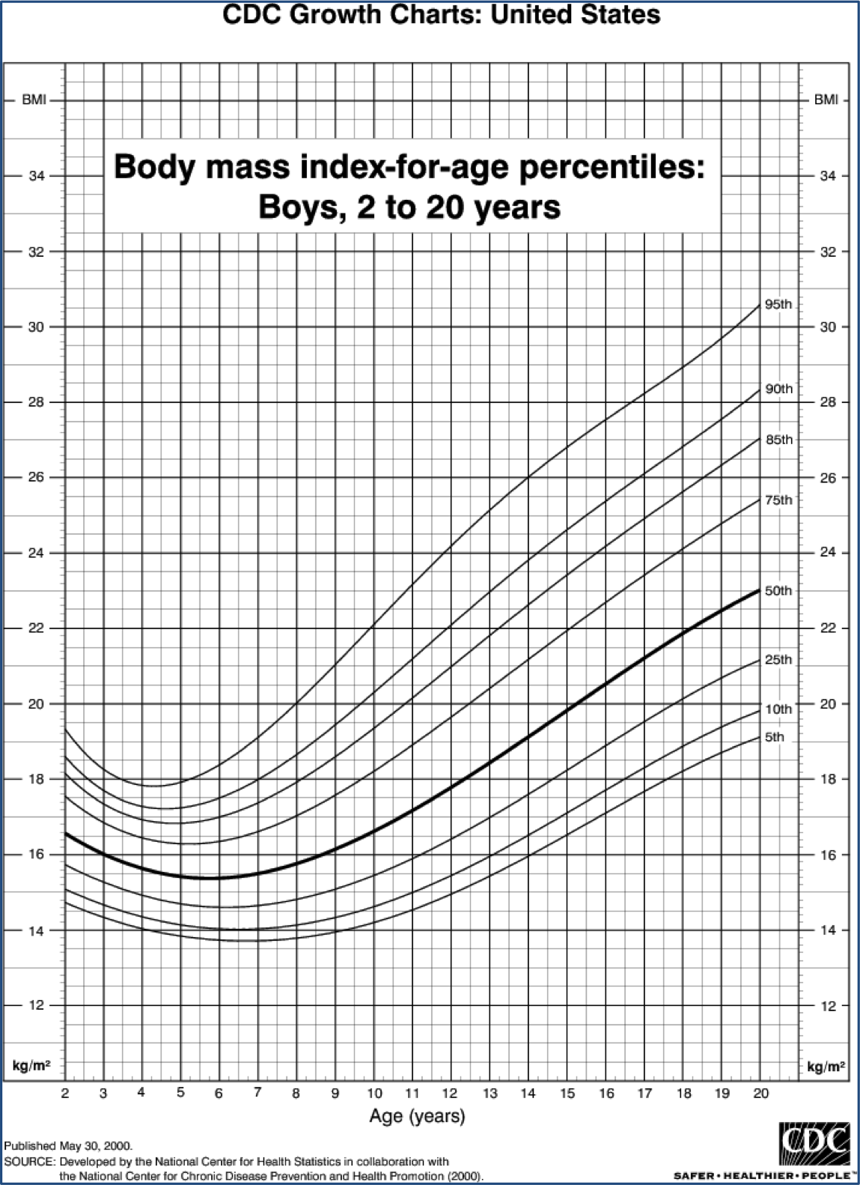

What percentage of 8-year-old children has a BMI less than 20 kg/m^2?
 | ×
What percentage of 8-year-old children has a BMI greater than 17 kg/m^2?
 | ×
What percentage of 15-year-old children has a BMI between 16.5 and 22 kg/m^2?
 | ×
What percentage of 11-year-old children has a BMI between 14.5 and 15 kg/m^2?
 | ×
What is the upper quartile of the BMI of 16-and-a-half year old children in kg/m^2?
 | ×
...

3m
...
Reading of the age (vartically, to the x-axis), BMI (horizontally, to the y-axis), and percentile (along the curved line) values for question #1.
...

