Theory
Review of the Theory |  |  |  | Elméleti összefoglalás | Theoretische Zusammenvassung | Review of the Theory
the most important discrete distributions: |  |  |  | a legfontosabb diszkrét eloszlások: | die wichtigsten diskreten Verteilungen: | the most important discrete distributions:
discrete uniform distribution | equally probable discrete outcomes |  |  | diszkrét egyeneletes eloszlás | diskrete Gleichverteilung | discrete uniform distribution
binomial distribution | what is the probability of having "k" successes out of "n" trials |  |  | binomiális eloszlás | Binomialverteilung | binomial distribution
geometric ("negbinom") distribution | what is the probability that the trial must be repeated "n" times to get a successful outcome |  |  | geometrikus ("negbinom") eloszlás | geometrische ("negbinom") Verteilung | geometric ("negbinom") distribution
Poisson-distribution | limit distribution of the binomialdistribution if the "p" probability of success is little and the "n" number of trials is big |  |  | Poisson-eloszlás | Poisson-Verteilung | Poisson-distribution
the most important continuous distributions: |  |  |  | a legfontosabb folytonos eloszlások: | die wichtigsten stätigen Verteilungen: | the most important continuous distributions:
normal (Gaussian) distribution | limit distribution of the symmetric binomial distribution if "n" is big |  |  | normális (Gauß-) eloszlás | Normal (Gauß-) verteilung | normal (Gaussian) distribution
Student's t-distribution | estimates normally distributed variables from a sample |  |  | Student t-eloszlás | Student t-Verteilung | Student's t-distribution
χ2- (chisquared) distribution | distribution of the sum of squares of standard normally distributed independent variables |  |  | χ2- (khínégyzet-) eloszlás | χ2- (Chiquadrat-) Verteilung | χ2- (chisquared) distribution
binomial distribution
geometric ("negbinom") distribution
Poisson-distribution
Student's t-distribution
χ2- (chisquared) distribution
normal (Gaussian) distribution
in case of few variation possibilities, one can use combinatorics for calculations
in case of "medium" number of variation possibilities, one can calculate with approximating distributions depending on the type of the variable
in case of great variation possibilities, one can almost always calculate with normal (or lognormal) distribution
 |  |  |  | azonos valószínűségű diszkrét kimenetelek | gleichwahrscheinliche diskrete Ausgänge | equally probable discrete outcomes
 |  |  |  | mekkora valószínűséggel lesz "n" kísérletből "k"-nak kedvező a kimenetele | Mit welcher Wkeit gibt es "k" Erfolge aus "n" Versuchen | what is the probability of having "k" successes out of "n" trials
 |  |  |  | mekkora a valószínűsége, hogy a kísérletet "n"-szer kell megismételnem, mire először sikeres kimenetelt kapok | Was ist die Wkeit, dass ich die Versuche "n"-mal wiederholen muss, um einen Erfolg zu bekommen | what is the probability that the trial must be repeated "n" times to get a successful outcome
 |  |  |  | a binomiális eloszlás határeloszlása, ha a siker "p" valószínűsége kicsi és a próbálkozások "n" száma nagy | Grenzverteilung der Binomialverteilung, wenn die Erfolgwkeit "p" klien und die Anzahl der Versuche "n" groß ist | limit distribution of the binomialdistribution if the "p" probability of success is little and the "n" number of trials is big

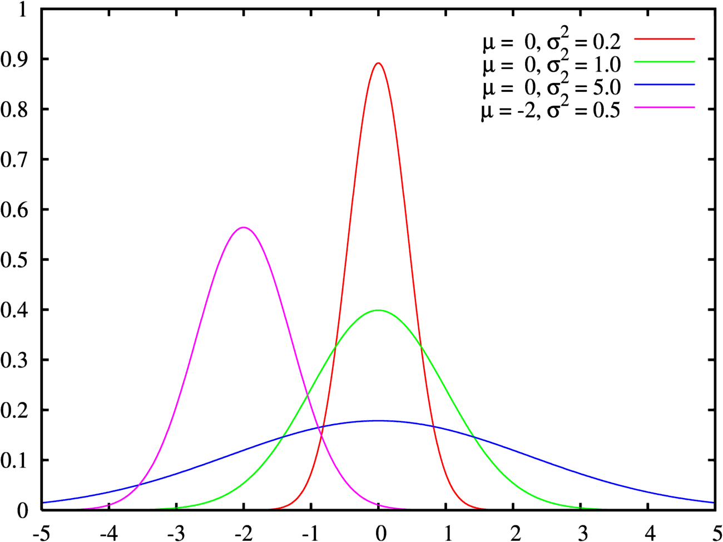
 |  |  |  | a szimmetrikus binomiális eloszlás határeloszlása, ha "n" nagy | Grenzverteilung der symmetrischen Binomialverteilung, wenn "n" groß ist | limit distribution of the symmetric binomial distribution if "n" is big
 |  |  |  | normális eloszlású változó mintából történő becslésére | schätzt normalverteilte Variablen aus einer Stichprobe | estimates normally distributed variables from a sample
 |  |  |  | független standard normális eloszlású változók négyzetösszegeinek eloszlása | Verteilung der Quadratensumme standardnormalverteilter unabhängiger Variablen | distribution of the sum of squares of standard normally distributed independent variables

 |  |  |  | kisszámú varációs lehetőség esetén kombinatorikus úton tudunk számolni | im Falle von wenigen Variationsmöglichkeiten, man kann mit Kombinatorik rechnen | in case of few variation possibilities, one can use combinatorics for calculations
 |  |  |  | in case of few variation possibilities, one can use combinatorics for calculations

 |  |  |  | "közepes" számú variációs lehetőség esetén a változó jellegétől függő közelítő eloszlásokkal tudunk számolni | im Falle von "mittelvielen" Variationsmöglichkeiten, man kann mit von Variablentyp abhängenden Aannäherungsverteilungen rechnen | in case of "medium" number of variation possibilities, one can calculate with approximating distributions depending on the type of the variable
 |  |  |  | in case of "medium" number of variation possibilities, one can calculate with approximating distributions depending on the type of the variable

 |  |  |  | nagyszámú variációs lehetőség esetén többnyire normális (vagy lognormális) eloszlással lehet számolni | im Falle von großen Variationsmöglichkeiten, man kann fast immer mit Normal- (oder Lognormal-)verteilung rechnen | in case of great variation possibilities, one can almost always calculate with normal (or lognormal) distribution
 | Central tendency | Dispersion |  | in case of great variation possibilities, one can almost always calculate with normal (or lognormal) distribution
if all elements of a finite population are known | arithmetic mean of the population | population variance (formula without Bessel's correction)
all values are listed individually | =AVERAGE() | =VAR.P() |  | Bessel-korrekció (mivel a várható értéket (μ) a minta számtani közepével becsüljük) | Bessel-Korrektur (weil der Erwartungswert (μ) mit dem arithemtischen Mittel der Stichprobe geschätzt wurde) | Bessel's correction (because the expected value (μ) is estimated by the arithemtic mean of the sample)
 |  |  |  | Bessel's correction (because the expected value (μ) is estimated by the arithemtic mean of the sample)
values are given as frequencies | (no Excel function) | (no Excel function)
 |  |  |  | ha egy véges alapsokaság minden eleme ismert | wenn alle Elemente einer endlichen Grundgesamtheit bekannt sind | if all elements of a finite population are known
theoretical distribution | expected value | theoretical variance |  | minden érték egyenként meg van adva: | alle Werte werden einzeln angegeben: | all values are listed individually
 | (no Excel function) | (no Excel function) |  | az értékek gyakorisága van megadva: | Werte werden mit Häufigkeiten angegeben: | values are given as frequencies
 |  |  |  | elméleti eloszlás | theoretische Verteilung | theoretical distribution
estimation of theoretical distribution parameters form sample | arithmetic mean of the sample | empirical variance of the sample if μ is known (formula without Bessel's correction) | empirical variance of the sample if μ is estimated with the arithmetic mean of the sample (formula without Bessel's correction) | az elméleti eloszlás paramétereinek becslése mintából | Schätzung der Parameter einer theoretischen Verteilung mit Stichprobe | estimation of theoretical distribution parameters form sample
all values are listed individually | =AVERAGE() | (no Excel function) | =VAR.S() | Középérték | Mittel | Central tendency
Bessel's correction (because the expected value (μ) is estimated by the arithemtic mean of the sample)
 |  |  |  | az alapsokaság számtani középértéke | arithmetisches Mittel der Grundgesamtheit | arithmetic mean of the population
values are given as frequencies | (no Excel function) | (no Excel function) | (no Excel function) | =ÁTLAG() | =MITTELWERT() | =AVERAGE()
 |  |  |  | (nincs hozzá Excel-függvény) | (keine Excel-Funktion) | (no Excel function)
 |  |  |  | várható érték | Erwartungswert | expected value
 |  |  |  | a minta számtani középértéke | arithmetisches Mittel der Stichprobe | arithmetic mean of the sample
 |  |  |  | Szóródás | Streuung | Dispersion
 |  |  |  | az alapsokaság varianciája (Bessel-korrekció nélküli képlet) | Varianz der Grundgesamtheit (Formel ohne Bessel-Korrektur) | population variance (formula without Bessel's correction)
 |  |  |  | =VAR.S() | =VAR.P() | =VAR.P()
 |  |  |  | elméleti variancia | theorethische Varianz | theoretical variance
 |  |  |  | a minta tapasztalati varianciája, ha μ ismert (Bessel-korrekció nélküli képlet) | empirische Varianz der Stichprobe, wenn μ bekannt ist (Formel ohne Bessel-Korrektur) | empirical variance of the sample if μ is known (formula without Bessel's correction)
 |  |  |  | a minta tapasztalati varianciája, ha μ-t a minta számtani középértékével becsüljük (képlet Bessel-korrekcióval) | empirische Varianz der Stichprobe, wenn μ mit dem arithmetischen Mittel der Stichprobe geschätzt wird (Formel mit Bessel-Korrektur) | empirical variance of the sample if μ is estimated with the arithmetic mean of the sample (formula without Bessel's correction)
 |  |  |  | =VAR.M() | =VAR.S() | =VAR.S()

